LAFO10Py5Pt5 - Vary Ms
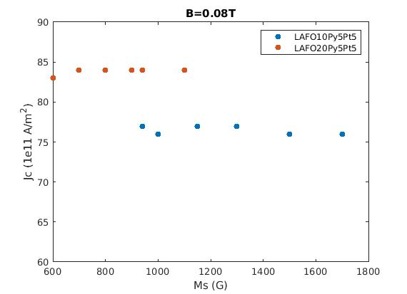
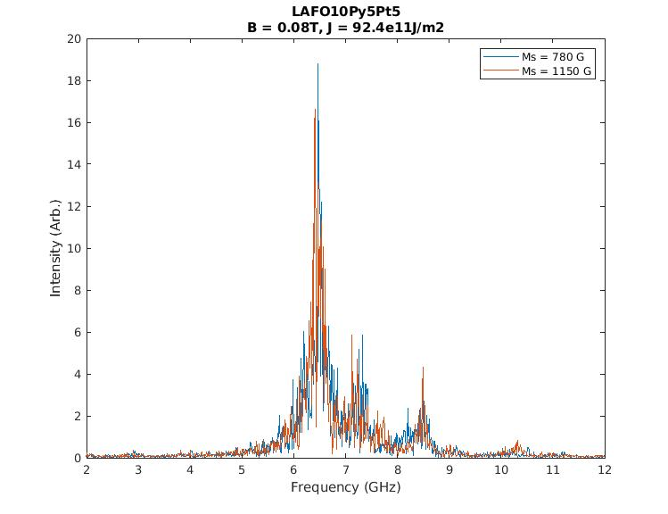
LAFO10Py5Pt5 |  | Apply 1.2*critical current density
Switching criteria: Max torque increases within 150 ns
IP Field applied 20 deg wrt y
Ku1_LAFO = -3.1701e4 (J/m^3)
4pi*Meff_LAFO = 9400G
alpha_LAFO = 1e-3
B = 0.08T
Ms (G) | Critical current density (1e11A/m^2) 5layers | f1 (GHz) | f1 (GHz) | f3 (GHz) | 1.2 times for 3 layers
850
942 | 77 | 6.53 | 7.245 | 8.4 | 55.44
1000 | 76 |  |  |  | 54.72
1150 | 77 | 6.4 | 7.4 | 8.475 | 55.44
1300 | 77 |  |  |  | 55.44
1500 | 76 |  |  |  | 54.72
1700 | 76 |  |  |  | 54.72
2300 | 78.33333333 |  |  |  | 56.4
2700 | 78.33333333 |  |  |  | 56.4
B = 0.6T |  |  |  |  | 0

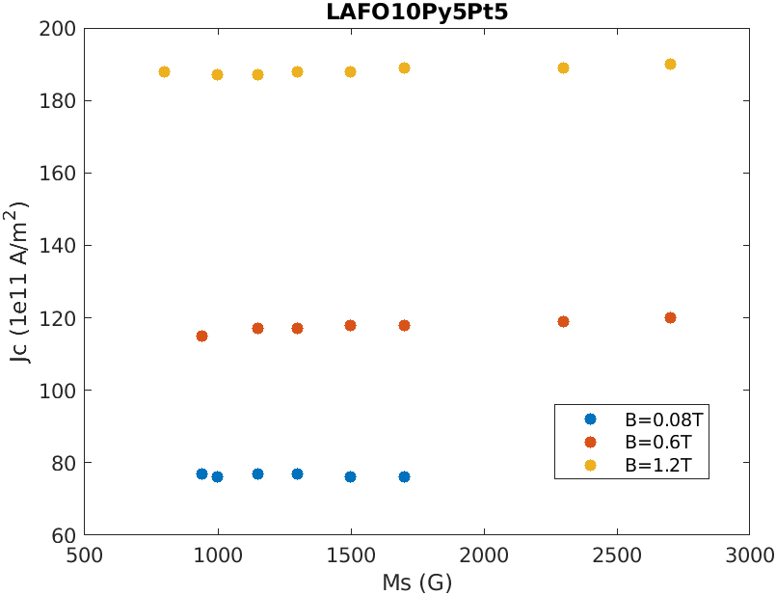
942 | 115
1150 | 117
1300 | 117
1500 | 118
1700 | 118
2300 | 119
2700 | 120

B = 1.2T
800 | 188
942 | 187
1150 | 187
1300 | 188
1500 | 188
1700 | 189
2300 | 189
2700 | 190

µ0*Meff and 2Ku1/Ms vs µ0Ms

Ku1_LAFO = -3.1701e4 (J/m^3)
µ0*Ms(T) | 2Ku1/μ0Ms | Ms | µ0*Meff | 2Ku1/Ms | Meff
0.04 | -1,585,050.00 | 31831.92742 | 2.03177383 | -1.99177383 | 1,616,881.93
0.06 | -1,056,700.00 | 47747.89113 | 1.38784922 | -1.32784922 | 1,104,447.89
0.08 | -792,525.00 | 63663.85485 | 1.075886915 | -0.995886915 | 856,188.85
0.1 | -634,020.00 | 79579.81856 | 0.896709532 | -0.796709532 | 713,599.82
0.12 | -528,350.00 | 95495.78227 | 0.78392461 | -0.66392461 | 623,845.78
0.14 | -452,871.43 | 111411.746 | 0.7090782371 | -0.5690782371 | 564,283.17
0.16 | -396,262.50 | 127327.7097 | 0.6579434575 | -0.4979434575 | 523,590.21

Meff

LAFO20Py5Pt5 - Vary Ms
LAFO20Py5Pt5
Switching criteria: Max torque increases within 150 ns
IP Field applied 20 deg wrt y
Ku1_LAFO = -3.1701e4 (J/m^3)
4pi*Meff_LAFO = 9400G
 |  |  |  |  | second mesurment |  |  |  | first measurements
B = 0.08T |  |  |  |  | From Lorentz |  |  |  | From Lorentz
4piMs(G) | Critical current density (1e11A/m^2) | f1 (GHz) | f1 (GHz) | f3 (GHz) | EM freq | EM Amp | BM freq | BM Amp | EM freq | BM freq | EM Amp | BM Amp | EM width | BM width
1200 |  |  |  |  | 6.8071 | 7.1115 | 7.3496 | 0.9017 | 6.8072 |  | 7.636 |  | 0.1719
1000 | 84 |  |  |  | 6.8045 | 3.7385 |  |  | 6.7548 |  | 5.5586 |  | 0.2317
942 | 84 |  |  |  | 6.683 | 7.2644 | 7.4281 | 0.7804 | 6.7521 |  | 8.3187 |  | 0.1756
900 | 84 |  |  |  |  |  |  |  | 6.681 |  | 8.5412 |  | 0.2227
875 |  |  |  |  | 6.6949 | 4.6798 | 7.3491 | 1.0994 | 6.7106 |  | 4.7071 |  | 0.263
850 |  |  |  |  | 6.6656 | 7.3663 | 7.3186 | 1.0452 | 6.6821 |  | 9.0617 |  | 0.2005
825 |  |  |  |  | 6.654 | 5.8599 | 7.3 | 1.2225 | 6.6672 |  | 7.5123 |  | 0.2113
800 | 84 |  |  |  | 6.6 | 6.078 |  |  | 6.6138 |  | 7.5669 |  | 0.2207
775 |  |  |  |  | 6.6376 | 5.099 | 7.2496 | 1.4335 | 6.6565 |  | 9.7535 |  | 0.1712
750 |  |  |  |  | 6.6325 | 6.3828 | 7.289 | 0.9974 | 6.635 |  | 7.758 |  | 0.2004
700 | 84 |  |  |  | 6.6009 | 9.065 | 7.2258 | 1.0037 | 6.6004 |  | 9.8718 |  | 0.1987
600 | 83 |  |  |  | 6.5523 | 6.2531 |  |  | 6.57 |  | 11.8 |  | 0.1572

BM Amp vs. EM Amp
LAFO10Py5Pt5 | EM freq | EM Amp | BM freq | BM Amp | current
800 | 6.5494 | 7.4513 | 7.2715 | 3.1461 | 54.72
1000 | 6.4792 | 11.5288 | 7.2343 | 3.0376 | 54.72
1300 | 6.3816 | 11.6095 | 7.35 | 5.4536 | 55.44
1500 | 6.4066 | 11.4689 | 7.1885 | 5.1044 | 54.72
1600 | 6.2808 | 14.0429 | 7.0583 | 5.0758 | 54.72
1700 | 6.2746 | 26.0052 | 7.0681 | 6.0857 | 54.72
1850 | 6.2531 | 16.1753 | 7.0623 | 8.8137 | 55.14
2000 | 6.2222 | 20.2331 | 7.042 | 4.9629 | 55.56
2300 | 6.2567 | 8.9786 | 7.0573 | 0.9803 | 55.56
2700 | 6.1262 | 4.977 | 6.9067 | 4.9479 | 55.56

LAFO10Py5Pt5 - Vary Damping
1 |  | Apply 1.2*critical current density
Switching criteria: Max torque increases within 150 ns
IP Field applied 20 deg wrt y
Ku1_LAFO = -3.1701e4 (J/m^3)
4pi*Meff_LAFO = 9400G
Critical Current vs LAFO damping constant LAFO10/Py5/Pt5
Ms = 942 G

B = 0.08T | Ms = 942 G
Alpha | Critical current density (1e11A/m^2) 5layers | 3 layers | convert to 5 ayers | A/m^2
1.00E-04 | 77 |  | 77 | 1.54
5.00E-04 | 77 |  | 77 | 1.54
1.00E-03 | 77 |  | 77 | 1.54
5.00E-03 | 79 |  | 79 | 1.58
1.00E-02 | 80 |  | 80 | 1.60
2.00E-02 |  | 51.5 | 85.8 | 1.72
5.00E-02 |  | 60 | 100 | 2.00
1.00E-01 |  | 71.5 | 119.1666667 | 2.38
5.00E-01 |  | 142.5 | 237.5 | 4.75
B = 0.6T
1.00E-04 | 116
5.00E-04 | 116
1.00E-03 | 115
5.00E-03 | 119
1.00E-02 | 122

B = 1.2T
1.00E-04 | 186
5.00E-04 | 186
1.00E-03 | 187
5.00E-03 | 194
1.00E-02 | 199

LAFO10Py5Pt5 - Vary Ku1_LAFO
Switching criteria: Max torque increases within 150 ns
IP Field applied 20 deg wrt y
4pi*Ms=942G |  | directly measure from fft
4pi*Meff_LAFO = 9400G
alpha_LAFO = 1e-3

Lorentz fit/output at 1.2 Jth EM and Lorentz fit/output at 1.2 Jth BM
B = 0.08T |  |  |  |  |  |  |  | observed from spatial Ave FFT, no lorentz |  |  |  |  | Lorentz fit
1 | Critical current density (1e11A/m^2) | f1 (GHz) | f1 (GHz) | f3 (GHz) | crit curr * 3/5 | 1.2 critical current | *3/5 | output at 1.2 Jth EM | output at 1.2 Jth BM | freq at 1.2 Jth EM | freq at 1.2 Jth BM | higher mode | output at 1.2 Jth EM | output at 1.2 Jth BM | freq at 1.2 Jth EM | freq at 1.2 Jth BM | EM Width | BM Width
-1.00E+04 | 82 | 6.53 | 7.245 | 8.4 | 49.2 | 98.4 | 59.04 | 7.96 | 13.8 | 5.86 | 6.79 |  | 1.5345 | 3.9747 | 5.7775 | 6.9254 | 0.8168 | 0.2181
-1.50E+04 | 79.5 |  |  |  | 47.7 | 95.4 | 57.24 | 21.7 | 10.9 | 6.08 | 7.17 |  | 10.5496 | 5.1676 | 6.0397 | 6.959 | 0.214
-2.00E+04 | 77 |  |  |  | 46.2 | 92.4 | 55.44 | 43.8 | 11.7 | 6.16 | 7.17 |  | 26.0051 | 5.6554 | 6.1947 | 7.0945 | 0.0754 | 0.2506
-2.50E+04 | 77 |  |  |  | 46.2 | 92.4 | 55.44 | 17.8 | 4.95 | 6.37 | 7.48 |  | 9.3977 | 3.1544 | 6.3758 | 7.4132 | 0.1986 | 0.2039
-3.17E+04 | 77 |  |  |  | 46.2 | 92.4 | 55.44 | 14.45 | 6.2 | 6.53 | 7.3 |  | 8.0882 | 3.6637 | 6.5013 | 7.2355 | 0.1746 | 0.217
-5.00E+04 | 80 |  |  |  | 48 | 96 | 57.6 | 18.2 | 6.5 | 6.7 | 7.46 |  | 8.9605 | 2.8702 | 6.7199 | 7.4837 | 0.1465 | 0.2448
-6.00E+04 | 79 |  |  |  | 47.4 | 94.8 | 56.88 | 13.6 | 4.6 | 6.83 | 7.59 |  | 6.3988 | 2.679 | 6.8651 | 7.6035 | 0.1677 | 0.2837
-8.00E+04 | 79 |  |  |  | 47.4 | 94.8 | 56.88 | 9.91 | 4.81 | 7.02 | 7.8 |  | 6.9373 | 2.6241 | 7.0448 | 7.7498 | 0.1379 | 0.2373

B = 0.6T
-1.00E+04 | 125 |  |  |  | 75 | 150 | 90 | 6.16 | 9.46 | 19.36 | 21.3 | 24.14
-1.50E+04 | 120.5 |  |  |  | 72.3 | 144.6 | 86.76 | 6.66 | 15.038 | 19.54 | 22.51 | 24.63
µ0*Meff and 2Ku1/Ms vs µ0Ms
-2.00E+04 | 116 |  |  |  | 69.6 | 139.2 | 83.52 | 12.33 | 5.13 | 19.79 | 23.11 | 24.64
-2.50E+04 | 116 |  |  |  | 69.6 | 139.2 | 83.52 | 10.57 | 4.72 | 19.9 | 23.33 | 24.83
-3.17E+04 | 115 |  |  |  | 69 | 138 | 82.8 | 7.68 | 6.3 | 20.99 | 23.55 | 25.22
-5.00E+04 | 118 |  |  |  | 70.8 | 141.6 | 84.96 | 4.61 | 6.04 | 22.7 | 23.99 | 25.76
-6.00E+04 | 119 |  |  |  | 71.4 | 142.8 | 85.68 | 4.99 | 6.41 | 22.85 | 24.28 | 25.91
-8.00E+04 | 120.8333333

B = 1.2T
-1.00E+04 | 195 |  |  |  | 117 | 234 | 140.4 | 7.12 | 9.1 | 34.86 | 38.35 | 41.81
-1.50E+04 | 190.5 |  |  |  | 114.3 | 228.6 | 137.16 | 10.8 | 6.76 | 35.28 | 39.89 | 41.74
-2.00E+04 | 186 |  |  |  | 111.6 | 223.2 | 133.92 | 15.74 | 2.97 | 35.62 | 40.13 | 41.89
-2.50E+04 | 187 |  |  |  | 112.2 | 224.4 | 134.64 | 14.55 | 3.82 | 35.58 | 40.59
-3.17E+04 | 187 |  |  |  | 112.2 | 224.4 | 134.64 | 10.59 | 4.03 | 35.79 | 42.61 | 44.91
-5.00E+04 | 190 |  |  |  | 114 | 228 | 136.8 | 7.35 | 3.7 | 36.31 | 43.35 | 49.61
-6.00E+04 | 191 |  |  |  | 114.6 | 229.2 | 137.52 | 7.23 | 3.8 | 37.46 | 43.43 | 47.83
-8.00E+04 | 192 |  |  |  | 115.2 | 230.4 | 138.24 | 7.41 | 4.22 | 38.75 | 44.24

μ0Ms=94.2mT
Ku1 | 2Ku1/μ0Ms | Ms | Meff | Ha/Ms
0 | 0.00 | 74964.18908 | 74,964.19 | 0
-1.00E+04 | -212,314.23 | 74964.18908 | 287,278.41 | -2.832208654
-2.00E+04 | -424,628.45 | 74964.18908 | 499,592.64 | -5.664417308
-3.17E+04 | -673,036.09 | 74964.18908 | 748,000.28 | -8.978101433
-5.00E+04 | -1,061,571.13 | 74964.18908 | 1,136,535.31 | -14.16104327
-6.00E+04 | -1,273,885.35 | 74964.18908 | 1,348,849.54 | -16.99325192
-8.00E+04 | -1,698,513.80 | 74964.18908 | 1,773,477.99 | -22.65766923

 |  |  |  | in plane approx
Ku1 | 2Ku1/μ0Ms | Ms | Meff | FMR freq
-5.00E+04 | -1,061,571.13 | 74964.18908 | 1,136,535.31 | 11462625984 | 11.46262598
-4.50E+04 | -955,414.01 | 74964.18908 | 1,030,378.20 | 10943959311
µ0*Meff and 2Ku1/Ms vs µ0Ms
-4.00E+04 | -849,256.90 | 74964.18908 | 924,221.09 | 10399456541
-3.50E+04 | -743,099.79 | 74964.18908 | 818,063.98 | 9824823017
-3.00E+04 | -636,942.68 | 74964.18908 | 711,906.86 | 9214423382
-2.50E+04 | -530,785.56 | 74964.18908 | 605,749.75 | 8560610330
-2.00E+04 | -424,628.45 | 74964.18908 | 499,592.64 | 7852547369
-1.50E+04 | -318,471.34 | 74964.18908 | 393,435.53 | 7073962902
-1.00E+04 | -212,314.23 | 74964.18908 | 287,278.41 | 6198338656
-5.00E+03 | -106,157.11 | 74964.18908 | 181,121.30 | 5176664278
0.00E+00 | 0.00 | 74964.18908 | 74,964.19 | 3895677605
5.00E+03 | 106,157.11 | 74964.18908 | -31,192.92 | 1885405780
1.00E+04 | 212,314.23 | 74964.18908 | -137,350.04 | #NUM! | #NUM!
1.50E+04 | 318,471.34 | 74964.18908 | -243,507.15 | #NUM! | #NUM!
2.00E+04 | 424,628.45 | 74964.18908 | -349,664.26 | #NUM! | #NUM!
2.50E+04 | 530,785.56 | 74964.18908 | -455,821.37 | #NUM! | #NUM!
3.00E+04 | 636,942.68 | 74964.18908 | -561,978.49 | #NUM! | #NUM!
3.50E+04 | 743,099.79 | 74964.18908 | -668,135.60 | #NUM! | #NUM!
4.00E+04 | 849,256.90 | 74964.18908 | -774,292.71 | #NUM! | #NUM!
4.50E+04 | 955,414.01 | 74964.18908 | -880,449.82 | #NUM! | #NUM!
5.00E+04 | 1,061,571.13 | 74964.18908 | -986,606.94 | #NUM! | #NUM!

fittting vs. Ku1
calculated FMR freq vs. Ku1

LAFO10Py5Pt5 - B vs Amp
Switching criteria: Max torque increases within 150 ns
IP Field applied 20 deg wrt y
Ms=942G
4pi*Meff_LAFO = 9400G
alpha_LAFO = 1e-3
using direct measurement/EM amp
Ku1_LAFO := -2.00E+04
using Lorentzian fit/EM amp and using direct measurement/EM amp
First find Jth |  |  | using Lorentzian fit |  |  | using direct measurement
B(T) | Critical current density for 3 layers | 1.2times Jth | EM amp | EM freq(GHz) | EM width(GHz) | EM amp | Current Dentsity (1e11A/m^2)
0.02 | 48 | 57.6 | 38.1075 | 3.4916 | 0.0141 | 123 | 1.6
0.04 | 49.5 | 59.4 | 19.0844 | 4.6283 | 0.1067 | 35.6 | 1.65
0.06 | 50.5 | 60.6 | 16.7327 | 5.3618 | 0.2145 | 30.1 | 1.683333333
0.08 | 46.2 | 55.44 | 22.8532 | 6.1942 | 0.1009 | 43.8 | 1.54
0.1 | 44.5 | 53.4 | 16.04 | 7.0334 | 0.1476 | 38.2 | 1.483333333
0.13 | 43 | 51.6 | 13.2864 | 8.1939 | 0.1981 | 41 | 1.433333333
0.2 | 44 | 52.8 | 10.5512 | 10.6829 | 0.1889 | 23.2 | 1.466666667
0.3 | 48.5 | 58.2 | 6.42 | 13.8426 | 0.4784 | 37 | 1.616666667
0.4 | 54.5 | 65.4 | 4.4531 | 15.5631 | 0.3932 | 10.6 | 1.816666667
0.6 | 69.6 | 83.52 | 4.9266 | 19.8305 | 0.4471 | 11.44 | 2.32
0.8 | 83 | 99.6 | 4.488 | 25.25 | 0.5385 | 13.059 | 2.766666667
1.2 | 111.6 | 133.92 | 4.5005 | 35.5356 | 0.588 | 15.4 | 3.72

Critical Current Density (1e11A/m^2) vs. B(T)
EM Amplitude vs B, J=1.2Jth
EM freq(GHz)
EM width(GHz)

LAFO10Py5Pt5 - LAFOalpha vs Jth
Jth vs LAFOalpha @ PyAlpha=1e-4
Switching criteria: Max torque increases within 150 ns
IP Field applied 20 deg wrt y
Ms=942G
4pi*Meff_LAFO = 9400G
alpha_Py = 1e-4

First find Jth
alpha_LAFO | Critical current density (1e11A/m^2) for 3 layers
1.00E-02 | 4.5
5.00E-03 | 4.5
1.00E-03 | 3
5.00E-04 | 3
2.00E-04 | 2.5
1.00E-04 | 2.5

Critical current density (1e11A/m^2) for 3 layers vs. alpha_LAFO

LAFO10Py5Pt5-Vary Exchange scal
LAFO10Py5Pt5
Switching criteria: Max torque increases within 150 ns
IP Field applied 20 deg wrt y
Ku1_LAFO = -3.1701e4 (J/m^3)
4pi*Meff_LAFO = 9400G
critical current density vs exchange coupling
alpha_LAFO = 1e-3
Ms=942G

B = 0.08T
exchange scale | Critical current density in 3 layer | Ith 1 layers | EM freq | EM Amp | width | critical current density (1e12A/m^2)
0 | 46.5 | 15.5 | 6.9203 | 0.2981 | 0.8583 | 1.55
0.1 | 46.5 | 15.5 | 6.4395 | 5.9243 | 0.3824 | 1.55
0.25 | 46.5 | 15.5 | 6.4711 | 7.6728 | 0.2478 | 1.55
0.5 | 46.5 | 15.5 | 6.494 | 6.862 | 0.2523 | 1.55
0.7 | 46.5 | 15.5 | 6.4907 | 8.6567 | 0.2306 | 1.55
1 | 46.5 | 15.5 | 6.4989 | 6.7667 | 0.194 | 1.55

EM freq
EM Amplitude vs exchange coupling
width

LAFOXXPy5Pt5-Vary LAFO thicknes
LAFOXXPy5Pt5
Switching criteria: Max torque increases within 150 ns
IP Field applied 20 deg wrt y
Ku1_LAFO = -3.1701e4 (J/m^3)
4pi*Meff_LAFO = 9400G
4pi*Ms_LAFO := 942
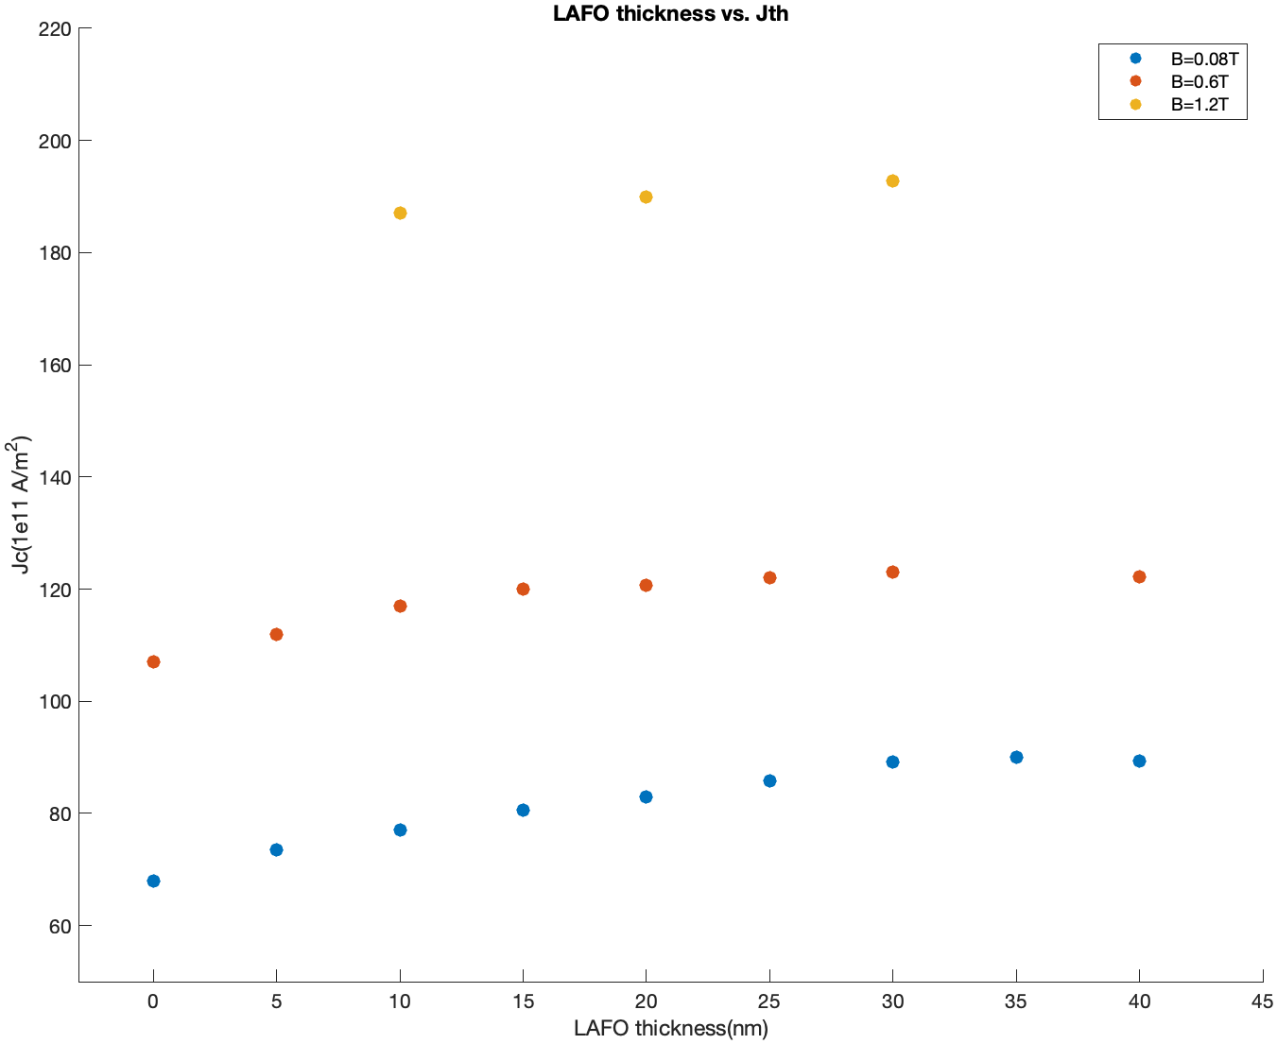
B = 0.08T
8 | Critical current density (1e11A/m^2) 5 layers | 6 layers | Critical current density (1e11A/m^2) 7 layers | 8 layers | 9 layers | normalized to 5 layers | theory | actual density
40 |  |  |  |  | 161 | 89.4 | 84.97860733 | 1.788
35 |  |  |  | 144 |  | 90 | 84.19913901 | 1.8
30 |  |  | 125 |  |  | 89.2 | 83.36568053 | 1.784
25 |  | 103 |  |  |  | 85.8 | 82.46839458 | 1.716
20 | 83 |  |  |  |  | 83 | 81.49489951 | 1.66
15 | 80.5 |  |  |  |  | 80.5 | 80.4293897 | 1.61
10 | 77 |  |  |  |  | 77 | 79.25136424 | 1.54
5 | 73.5 |  |  |  |  | 73.5 | 77.93374348 | 1.47
0 | 68 |  |  |  |  | 68 | 76.44 | 1.36

B = 0.6T

40 |  |  |  |  | 220 | 122.2
35 |  |  |  |  |  | 122.5
30 |  |  | 172 |  |  | 123
25 |  |  | 171 |  |  | 122
20 | 121 |  | 169 |  |  | 120.7
15 | 120 |  |  |  |  | 120
10 | 117 |  | 164 |  |  | 117
5 | 112 |  |  |  |  | 112
0 | 107 |  |  |  |  | 107

B = 1.2T

40 |  |  |  |  | 360 | 200
35
30 |  |  | 270 |  |  | 192.8
25
20 | 190 |  |  |  |  | 190
15
10 | 187 |  |  |  |  | 187
5
0 |  |  |  |  |  | 177

B = 0.08T |  |  |  |  |  |  | with uncertainty
8 | critical current (in their respective # of layers) | 1.2 times | EM lorentz Amp | EM freq | BM lorentz Amp | BM Freq | EM Lorentz | EM uncertainty | BM Lorentz | BM uncertainty
40 | 161 | 193.2 | 5.1913 | 6.9902 | 1.108 | 7.5838 | 5.1986 | 0.1046 | 1.108 | 0.045
35 | 144 | 172.8 | 4.6035 | 6.9516 | 1.4508 | 7.4279 | 4.6986 | 0.0637 | 1.7172 | 0.045
30 | 125 | 150 | 7.6669 | 6.8434 | 1.4061 | 7.4683 | 7.6916 | 0.1002 | 1.4936 | 0.0578
25 | 103 | 123.6
20 | 83 | 99.6 | 8.031 | 6.7171 | 1.8466 | 7.328 | 8.1796 | 0.2025 | 2.1961 | 0.0624
15 | 80.5 | 96.6 | 9.4619 | 6.6037 | 2.4888 | 7.3989 | 9.8852 | 0.2074 | 2.5408 | 0.0646
10 | 77 | 92.4 | 9.4251 | 6.4966 | 3.2683 | 7.2182 | 9.1207 | 0.1423 | 3.2499 | 0.0551
5 | 73.5 | 88.2 | 8.7066 | 6.3453 | 4.6543 | 7.1006 | 11.0529 | 0.2313 | 4.6543 | 0.0802
0 | 68 | 81.6 | 7.0579 | 6.2974 | 11.49 | 7.048 | 6.6701 | 0.1884 | 12.5072 | 0.546

Energy vs Ku1
energy vs LAFO Ku1 for LAFO10Py5Pt5
IP Field applied 20 deg wrt y
alpha_Py := 2.6e-2
alpha_LAFO := 1e-3
4pi*Ms_LAFO := 942 |  |  |  |  |  |  | 50000
current density = 1.2Jth |  |  |  |  |  |  | 45000
 |  |  |  |  |  |  | 40000
 |  |  |  |  |  |  | 35000
B = 0.08T | averaged energy ober 11ns: |  |  |  |  |  | 30000
Ku1 | Anisotropy Energy | Magnetostatic Energy | Total Exchange Energy | Zeeman Energy | Total Energy | demag E-Anis E | 25000
5.00E+04 | -9.00E-16 | 1.37E-16 | 7.15E-17 | -2.21E-16 | -9.14E-16 | 0.00E+00 | 20000
demag E-AnisE vs. Ku1
4.50E+04 | -8.01E-16 | 1.39E-16 | 6.68E-17 | -2.19E-16 | -8.14E-16 | 0.00E+00 | 15000
4.00E+04 | -7.01E-16 | 1.33E-16 | 5.62E-17 | -2.22E-16 | -7.33E-16 | 0.00E+00 | 10000
3.50E+04 | -6.01E-16 | 1.26E-16 | 4.73E-17 | -2.27E-16 | -6.55E-16 | 0.00E+00 | 5000
3.00E+04 | -5.04E-16 | 1.18E-16 | 3.89E-17 | -2.33E-16 | -5.80E-16 | 0.00E+00 | 0
2.50E+04 | -4.09E-16 | 1.09E-16 | 3.13E-17 | -2.39E-16 | -5.08E-16 | 0.00E+00 | -5000
2.00E+04 | -3.14E-16 | 9.88E-17 | 2.35E-17 | -2.48E-16 | -4.39E-16 | 0.00E+00 | -10000
1.50E+04 | -2.19E-16 | 8.95E-17 | 1.89E-17 | -2.59E-16 | -3.69E-16 | 0.00E+00 | -15000
1.00E+04 | -1.17E-16 | 6.56E-17 | 6.74E-18 | -2.89E-16 | -3.33E-16 | 0.00E+00 | -20000
5.00E+03 | -1.15E-17 | 4.25E-17 | 2.12E-17 | -3.21E-16 | -2.69E-16 | 0.00E+00 | -25000
0.00E+00 | -4.42E-18 | 4.12E-17 | 1.84E-17 | -3.23E-16 | -2.68E-16 | 0.00E+00 | -30000
-5.00E+03 | -1.84E-18 | 4.10E-17 | 1.56E-17 | -3.24E-16 | -2.70E-16 | 0.00E+00 | -35000
-1.00E+04 | -7.99E-19 | 4.22E-17 | 1.46E-17 | -3.24E-16 | -2.68E-16 | 0.00E+00 | -40000
-1.50E+04 | -3.65E-19 | 4.26E-17 | 1.38E-17 | -3.24E-16 | -2.68E-16 | 0.00E+00 | -45000
-2.00E+04 | -9.49E-19 | 4.48E-17 | 1.35E-17 | -3.23E-16 | -2.66E-16 | 0.00E+00 | -50000
-3.17E+04 | -1.50E-18 | 4.15E-17 | 9.06E-18 | -3.26E-16 | -2.77E-16 | 0.00E+00
-5.00E+04 | -2.52E-18 | 4.68E-17 | 1.24E-17 | -3.24E-16 | -2.67E-16 | 0.00E+00
-6.00E+04 | -2.59E-18 | 4.57E-17 | 1.20E-17 | -3.25E-16 | -2.70E-16 | 0.00E+00
-8.00E+04 | -2.89E-18 | 4.51E-17 | 1.22E-17 | -3.26E-16 | -2.71E-16 | 0.00E+00

Magnetostatic Energy vs. Ku1, LAFO10Py5Pt5
Anisotropy Energy vs. Ku1, LAFO10Py5Pt5
Simulated Energy vs Ku1

B = 0.08T | averaged energy ober 11ns:
Ku1 | Anisotropy Energy | Magnetostatic Energy | Total Exchange Energy | Zeeman Energy | Total Energy | demag E-Anis E
-5.00E+03 | -1.84E-18 | 4.10E-17 | 1.56E-17 | -3.24E-16 | -2.70E-16 | 0.00E+00
-1.00E+04 | -7.99E-19 | 4.22E-17 | 1.46E-17 | -3.24E-16 | -2.68E-16 | 0.00E+00
-1.50E+04 | -3.65E-19 | 4.26E-17 | 1.38E-17 | -3.24E-16 | -2.68E-16 | 0.00E+00
-2.00E+04 | -9.49E-19 | 4.48E-17 | 1.35E-17 | -3.23E-16 | -2.66E-16 | 0.00E+00
-3.17E+04 | -1.50E-18 | 4.15E-17 | 9.06E-18 | -3.26E-16 | -2.77E-16 | 0.00E+00
-5.00E+04 | -2.52E-18 | 4.68E-17 | 1.24E-17 | -3.24E-16 | -2.67E-16 | 0.00E+00
-6.00E+04 | -2.59E-18 | 4.57E-17 | 1.20E-17 | -3.25E-16 | -2.70E-16 | 0.00E+00
-8.00E+04 | -2.89E-18 | 4.51E-17 | 1.22E-17 | -3.26E-16 | -2.71E-16 | 0.00E+00

Anisotropy Energy vs. Ku1
Magnetostatic Energy vs. Ku1

B = 0.08T | averaged energy ober 11ns:
Ku1 | Anisotropy Energy | Magnetostatic Energy | Total Exchange Energy | Zeeman Energy | Total Energy | demag E-Anis E
1.50E+04 | -2.19E-16 | 8.95E-17 | 1.89E-17 | -2.59E-16 | -3.69E-16 | 0.00E+00
1.00E+04 | -1.17E-16 | 6.56E-17 | 6.74E-18 | -2.89E-16 | -3.33E-16 | 0.00E+00
5.00E+03 | -1.15E-17 | 4.25E-17 | 2.12E-17 | -3.21E-16 | -2.69E-16 | 0.00E+00
0.00E+00 | -4.42E-18 | 4.12E-17 | 1.84E-17 | -3.23E-16 | -2.68E-16 | 0.00E+00
-5.00E+03 | -1.84E-18 | 4.10E-17 | 1.56E-17 | -3.24E-16 | -2.70E-16 | 0.00E+00
-1.00E+04 | -7.99E-19 | 4.22E-17 | 1.46E-17 | -3.24E-16 | -2.68E-16 | 0.00E+00
-1.50E+04 | -3.65E-19 | 4.26E-17 | 1.38E-17 | -3.24E-16 | -2.68E-16 | 0.00E+00

Anisotropy Energy vs. Ku1
Magnetostatic Energy vs. Ku1

FMR frequency
Ku1 | LAFO20/Py5 FMR1 | LAFO20/Py5 FMR2 | LAFO20 | Py5 | frequency in GHz
-5 | 7.17 | 10 | 9.8 | 6.8
-4.5 | 7 | 9.6 | 9.36 | 6.8
-4 | 7 | 9.18 |  | 6.8
-3.5 | 6.85 | 8.66 | 8.4 | 6.8
-3 | 6.77 | 8.14 | 7.86 | 6.8
-2.5 | 6.7 | 7.51 | 7.32 | 6.8
LAFO20/Py5 FMR1, LAFO20/Py5 FMR2 and LAFO20
-2 | 6.77 | 6.77 | 6.72 | 6.8
-1.5 | 6.74 | 6.26 | 6.04 | 6.8
-1 | 6.52 | 5.5 | 5.28 | 6.8
-0.5 | 6.33 | 4.63 | 4.4 | 6.8
0 | 5.96 | 3.51 | 3.32 | 6.8
0.5 | 6.07 | 1.77 | 1.6 | 6.8
1 | 5.04 | 4.25 | 4.36 | 6.8
1.5 | 5.51 | 8.37 | 8.32 | 6.8
2 | 5.37 | 12.25 | 12.12 | 6.8
2.5 | 5 | 16.04 | 15.92 | 6.8
3 | 4.6 | 19.88 | 19.68 | 6.8
3.5 |  |  | 23.44 | 6.8
4 |  |  |  | 6.8
4.5
5

freq vs Current @Ku1=+-2.5
current density 3 layers | actual current | EM freq Ku1=-2.5 | EM intensity Ku1=-2.5 | EM freq Ku1=+2.5 | EM intensity Ku1=+2.5 | EM freq Ku1=0 | EM intensity Ku1=0
55 | 1.833333333 | 6.4 | 9.77 | 5.41 | 9.66 | 6.63 | 8.35
60 | 2 | 6.3 | 11.84 | 5.29 | 8.55 | 6.44 | 7.4
65 | 2.166666667 | 6.24 | 11.67 | 5.18 | 9.11 | 6.34 | 5.79
70 | 2.333333333 | 6.16 | 9.47 | 5.08 | 8.05 | 6.11 | 5.6
85
80 | 2.666666667 | 5.97 | 8.36 | 4.91 | 8.67 | 5.85 | 5.56

EM freq Ku1=+2.5

